General Guidance
HRA Schedule of Events for Studies in Cohort 3 of HRA Approval
Template Version 3.1

Scroll down for more information

What is the HRA Schedule of Events?
The HRA Schedule of Events is part of the document submission pack, to be submitted via IRAS for non-commercial studies applying for HRA Approval. It also forms part of the local document pack that sponsors should provide to participating organisations once the templates submitted to the HRA have been agreed and this agreement recorded in the HRA Initial Assessment Lettter (or HRA Approval letter, where no Initial Assessment letter is issued).
For non-commercial studies, one HRA Schedule of Events should be completed as a template for each site-type in the study. Each HRA Schedule of Events should be accompanied by a completed Statement of Activities for the same site-type, as part of the submission via IRAS for HRA Approval. Once agreed by the HRA, the sponsor/applicant should provide each participating organisation with the agreed Schedule and related agreed Statement relevent for its site-type. Applicants should refer to the full guidance in the Statement of Activities template for further information on use of the two tools.
Together with the Statement of Activities, the Schedule is designed to facilitate the conversation between sponsor/applicant and their partcipating organisations through which local capacity and capability to undertake the study are assessed and arranged and thereafter confirmed as being in place. The Schedule is designed to allow the sponsor/applicant to detail the activities to take place at the participating organisations that come under the site-type covered by the document and to indicate the cost attribution of each activity.

Each activity recorded in the Schedule should be given a cost attribution by the sponsor/applicant, in line with the DH AcoRD guidance available here: https://www.gov.uk/government/publications/guidance-on-attributing-the-costs-of-health-and-social-care-research

Each completed Schedule should reflect the activities to be undertaken at the organisations to be covered by the document. Studies where the activities undertaken at different organisations differ (i.e. there is more than one 'site-type' in the study) will require one Schedule submitted to the HRA per site type, with each Schedule reflecting the activities to be undertaken at one site-type.
What is a ‘Site Type’?
Many research studies take place at more than one participating organisation. Where this is the case, each participating organisation may be undertaking the same research procedures, e.g. identifying, consenting, treating and following-up research participants. In such cases the study has only one ‘site-type’ and only one Schedule and one accompanying Statement are required. In other cases, different participating organisations may be required to undertake different sub-sets of the overall set of research procedures that make up the study, e.g. some participating organisations may identify and consent participants whilst others treat and follow-up. In such a case there would be two ‘site-types’ and two Schedules of Events and two Statements of Activities would be required, each Shedule/Statement covering one site-type. It is important to note that the number of Schedules required from the sponsor for HRA Approval is determined by the number of site-types, not by the number of sites.
How Do I Complete this Document?
Please answer the first four questions in the Study Information tab. Complete one HRA Schedule of Events per site-type, specifying the site-type under questions 3 (and 4, if necessary) of the Study Information tab.
Please complete the General Activities and Per-Participant tabs for the site-type covered by this document. Select an item from "Area of Activity" first, before selecting an item from "Specific Activity" (the "Specific Activity" drop-down box is only present once an "Area of Activity" is selected. Activities should be selected from the drop-down lists where possilble (for ease of reference, all activities in the drop downs are listed alphabetically on the List of Activities tab). Where an activitiy is not listed, it should be entered in free-text. Only activities that take place per-participant should be listed on the per-participant tab. Where the study has more than one arm, or the activities otherwise differ between groups of participants, the tab may be copied and each arm/group recorded as a new tab. For each instance of each activity, a cost attribution should be selected from the drop-down list (e.g. Research Cost (Part A), Research Cost (Part B) etc.). Where an activity does not occur at a particular visit, the box may be left blank or "No Activity" may be selected. Each box may be populated individually from the drop down, or cost types may be 'pulled across' an entire row (see Hints and Tips tabs for further details).
Hints and Tips
Please read the Hints and Tips tab before completing the General Activities and Per-Participant tabs.
List of Activities
This section provides definitions of / more information on the activities given in the General Activities and Per-Participan drop-down lists. It is not an exhaustive list of all possible activities associated with a research project and applicants may enter additional activities by free-text in the general activities and/or participant activities tabs. Applicants are invited to use the User Feedback tab to comment on the usefulness of the activities given and to suggest the inclusion of additional activities in future versions of this tool.
How do I submit my HRA Schedule of Events to the HRA?
All submissions for HRA Approval should be made electronically through IRAS. The Schedule of Activities forms part of the document set that should be uploaded to the IRAS Form checklist tab prior to submission. To upload your Schedule/s please select 'Add New Row' at the bottom of the checklist tab . Please attach one Schedule per 'Other (please specify)' row.

Accessing Help and Support Completing this Document
Please refer in the first instance to the guidance below and the Hints & Tips tab. Additional queries may be addressed to hra.approval@nhs.net

User Feedback
The HRA wants to hear from you about this document. Whether you work for a sponsor or organisation hosting research, whether within cohort 3 or not, we want your views. Formal feedback may be provided by completing the User Feedback tab in this spreadsheet and returning it to hra.approval@nhs.net

End of General Guidance.

Study Information
Study Information
Template Version 3.1

The Sponsor/Applicant should provide answers to questions 1-4 below prior to submission for HRA Approval.

1. IRAS Reference Number: | 154486

2. Short Study Title: | Epidemiology of Critical Care provision after Surgery (EpiCCS)

3. Site Type, Please use drop-down Menu: | All Site Activities

4. If "Other", Please Specify:

5. Date (HRA Office Use Only):

6. Version Number (HRA Office Use Only):

General Activities
General Activities
Template Version 3.1

Guidance
This tab should be completed for the 'site-type' covered by this Schedule of Events, including only those activities relevant to the organisations covered by this document (e.g. if the organisations will not be recruiting participants, do not include the activities related to participant recruitment). All activities should be given a cost attribution, in line with the DH AcoRD guidance. https://www.gov.uk/government/publications/guidance-on-attributing-the-costs-of-health-and-social-care-research

Please refer to the Hints and Tips tab before completing this section.

IRAS Reference Number: | 154486 |  |  |  |  |  |  |  |  |  |  |  |  |  |  |  |  |  |  |  |  |  |  |  |  |  |  |  |  |  | How to add extra columns

 |  |  |  |  | Day -x to -y | Day 0 | Day 1 | Day 2 | Day 3 | Day 4 | Day 5 | Day 6 | Day 7 | Day 60 | Day x | Day x | Day x | Day x | Day x | Day x | Day x | Day x | Day x | Day x | Day x | Day x | Day x | Day x | Day x | Day x | Day x | Day x
Area of Activity (Select this first. You can insert free text if the drop-down options are not suitable) | Specific Activity (drop down only present when Area of Activity selected first - or use free text if the drop-down options are not suitable) | Duration (Minutes) | Undertaken by (drop down or free text) | Site set-up | Screen | Base | Visit 1 | Visit 2 | Visit 3 | Visit 4 | Visit 5 | Visit 6 | Visit 7 | Visit 8 | Visit 9 | Visit 10 | Visit 11 | Visit 12 | Visit 13 | Visit 14 | Visit 15 | Visit 16 | Visit 17 | Visit 18 | Visit 19 | Visit 20 | Visit 21 | Visit 22 | Visit 23 | Visit 24 | Visit 25 | Visit x
Consent Processes | Eligibility check (exclusions) | 5 | PrincipaI Investigator |  |  | Service Support Cost
Study Set Up | Email communication with Chief Investigator and Project Management Team to establish study procedures | 240 | PrincipaI Investigator | Research Cost (Part A)
Study Set Up | Communication within study sites to colleagues about the study | 120 | PrincipaI Investigator | Research Cost (Part B)
Study Close Down | Archiving of paper Case Record Forms | 120 | PrincipaI Investigator | Research Cost (Part A) |  |  |  |  |  |  |  |  |  | Research Cost (Part B)

How to add extra rows

Per-Participant Activities
Per-Participant Activities
Template Version 3.1

Guidance
This tab should be completed for the 'site-type' covered by this Schedule of Events, including only those activities relevant to the organisations covered by this document (e.g. if the organisations will not be recruiting participants, do not include the activities related to participant recruitment). Where the study involves multiple arms, this tab may be copied and each arm entered as a new tab. All activities should be given a cost attribution, in line with the DH AcoRD guidance. https://www.gov.uk/government/publications/guidance-on-attributing-the-costs-of-health-and-social-care-research

Please refer to the Hints and Tips tab before completing this section. |  |  |  |  |  |  |  |  |  |  |  |  |  |  |  |  |  |  |  |  |  |  |  |  |  |  |  |  |  |  | How to add extra columns

IRAS Reference Number*: | 154486

 |  |  |  | Day -x to -y | Day 0 | Day 1 | Day 2 | Day 3 | Day 4 | Day 5 | Day 6 | Day 7 | Day 60 | Day x | Day x | Day x | Day x | Day x | Day x | Day x | Day x | Day x | Day x | Day x | Day x | Day x | Day x | Day x | Day x | Day x | Day x
Area of Activity (Select this first. You can insert free text if the drop-down options are not suitable) | Specific Activity (drop down only present when Area of Activity selected first - or use free text if the drop-down options are not suitable) | Duration (Minutes) | Undertaken by (drop down or free text) | Screen | Base | Visit 1 | Visit 2 | Visit 3 | Visit 4 | Visit 5 | Visit 6 | Visit 7 | Visit 8 | Visit 9 | Visit 10 | Visit 11 | Visit 12 | Visit 13 | Visit 14 | Visit 15 | Visit 16 | Visit 17 | Visit 18 | Visit 19 | Visit 20 | Visit 21 | Visit 22 | Visit 23 | Visit 24 | Visit 25 | Visit x
Participant Consent Procedures | Identify potential participant | 1 | PrincipaI Investigator |  | Service Support Cost
Participant Consent Procedures | Eligibility check (exclusions) | 1 | PrincipaI Investigator |  | Service Support Cost
Interventions non clinical | Subject Questionnaire - Paper Case Record Form for main study (Day 0 for all participants, Day 7 for only those that remain inpatients) | 10 | Local Research Registrar |  | Research Cost (Part A) |  |  |  |  |  |  | Research Cost (Part A) | Research Cost (Part A)

How to add extra rows

Per-Participant Activities (2)
Per-Participant Activities
Template Version 3.1

Guidance
This tab should be completed for the 'site-type' covered by this Schedule of Events, including only those activities relevant to the organisations covered by this document (e.g. if the organisations will not be recruiting participants, do not include the activities related to participant recruitment). Where the study involves multiple arms, this tab may be copied and each arm entered as a new tab. All activities should be given a cost attribution, in line with the DH AcoRD guidance. https://www.gov.uk/government/publications/guidance-on-attributing-the-costs-of-health-and-social-care-research

Please refer to the Hints and Tips tab before completing this section. |  |  |  |  |  |  |  |  |  |  |  |  |  |  |  |  |  |  |  |  |  |  |  |  |  |  |  |  |  |  | How to add extra columns

IRAS Reference Number*: | 154486

 |  |  |  | Day -x to -y | Day 0 | Day 1 | Day 2 | Day 3 | Day 4 | Day 5 | Day 6 | Day 7 | Day 60 | Day x | Day x | Day x | Day x | Day x | Day x | Day x | Day x | Day x | Day x | Day x | Day x | Day x | Day x | Day x | Day x | Day x | Day x
Area of Activity (Select this first. You can insert free text if the drop-down options are not suitable) | Specific Activity (drop down only present when Area of Activity selected first - or use free text if the drop-down options are not suitable) | Duration (Minutes) | Undertaken by (drop down or free text) | Screen | Base | Visit 1 | Visit 2 | Visit 3 | Visit 4 | Visit 5 | Visit 6 | Visit 7 | Visit 8 | Visit 9 | Visit 10 | Visit 11 | Visit 12 | Visit 13 | Visit 14 | Visit 15 | Visit 16 | Visit 17 | Visit 18 | Visit 19 | Visit 20 | Visit 21 | Visit 22 | Visit 23 | Visit 24 | Visit 25 | Visit x
Participant Consent Procedures | Identify potential participant | 1 | PrincipaI Investigator |  | Service Support Cost
Participant Consent Procedures | Eligibility check (exclusions) | 1 | PrincipaI Investigator |  | Service Support Cost
Interventions non clinical | Administering Subject Questionnaire - Quality of Recovery substudy (only a subset of participants), including implied consent. | 5 | Local Research Registrar |  | Research Cost (Part A) |  |  | Research Cost (Part A)

How to add extra rows

Per-Participant Activities (3)
Per-Participant Activities
Template Version 3.1

Guidance
This tab should be completed for the 'site-type' covered by this Schedule of Events, including only those activities relevant to the organisations covered by this document (e.g. if the organisations will not be recruiting participants, do not include the activities related to participant recruitment). Where the study involves multiple arms, this tab may be copied and each arm entered as a new tab. All activities should be given a cost attribution, in line with the DH AcoRD guidance. https://www.gov.uk/government/publications/guidance-on-attributing-the-costs-of-health-and-social-care-research

Please refer to the Hints and Tips tab before completing this section. |  |  |  |  |  |  |  |  |  |  |  |  |  |  |  |  |  |  |  |  |  |  |  |  |  |  |  |  |  |  | How to add extra columns

IRAS Reference Number*: | 154486

 |  |  |  | Day -x to -y | Day 0 | Day 1 | Day 2 | Day 3 | Day 4 | Day 5 | Day 6 | Day 7 | Day 60 | Day x | Day x | Day x | Day x | Day x | Day x | Day x | Day x | Day x | Day x | Day x | Day x | Day x | Day x | Day x | Day x | Day x | Day x
Area of Activity (Select this first. You can insert free text if the drop-down options are not suitable) | Specific Activity (drop down only present when Area of Activity selected first - or use free text if the drop-down options are not suitable) | Duration (Minutes) | Undertaken by (drop down or free text) | Screen | Base | Visit 1 | Visit 2 | Visit 3 | Visit 4 | Visit 5 | Visit 6 | Visit 7 | Visit 8 | Visit 9 | Visit 10 | Visit 11 | Visit 12 | Visit 13 | Visit 14 | Visit 15 | Visit 16 | Visit 17 | Visit 18 | Visit 19 | Visit 20 | Visit 21 | Visit 22 | Visit 23 | Visit 24 | Visit 25 | Visit x
Participant Consent Procedures | Identify potential participant | 1 | PrincipaI Investigator |  | Service Support Cost
Participant Consent Procedures | Eligibility check (exclusions) | 1 | PrincipaI Investigator |  | Service Support Cost
Interventions non clinical | Subject Questionnaire - Clinician Perceptions substudy (only clinician participants) | 5 | PrincipaI Investigator |  | Research Cost (Part A)

How to add extra rows

Hints & Tips
Hints and Tips
Template Version 3.1

How to add columns to the HRA Schedule of Events
Click and drag the mouse pointer along the alphabetic column header row, to select a number of columns equal to the number you need to add. Selected columns will turn grey. Right-click on the selected columns and click in Insert in the right-click menu. The new columns will be inserted to the left of your selection, so any data which has already been filled in will be shifted to the right. Therefore it is a good idea to add new columns well in advance.

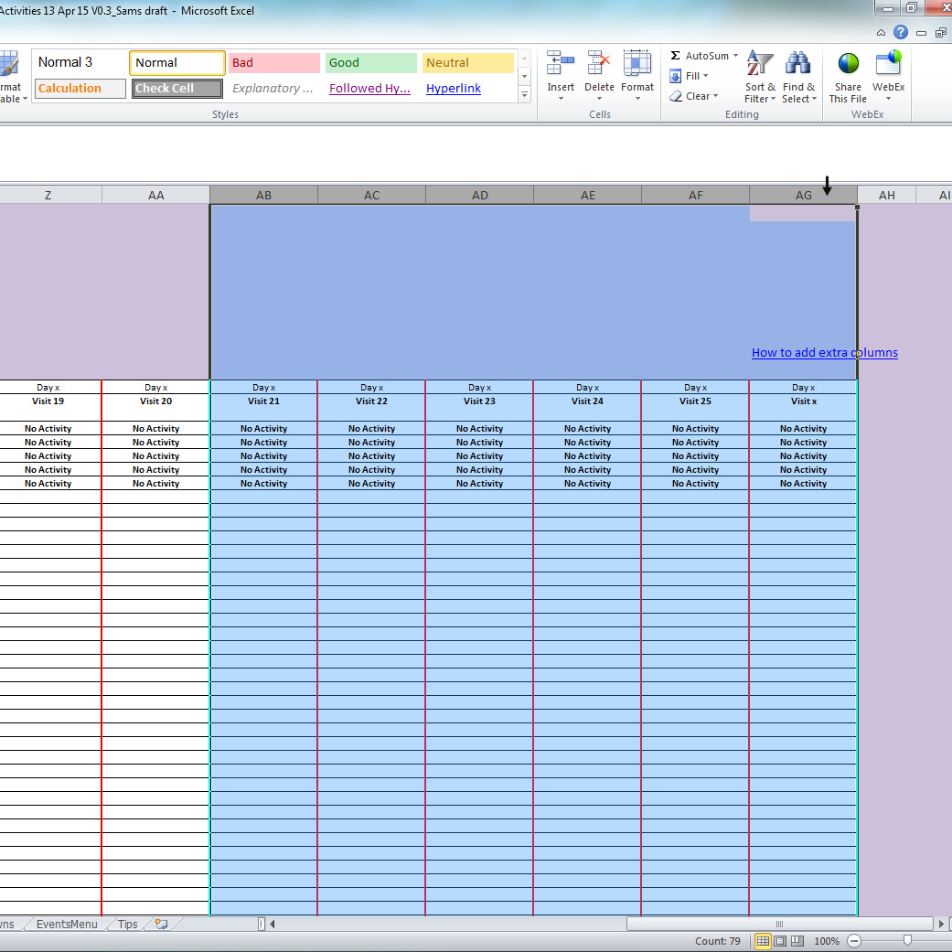

How to add rows to the Schedule of Events/Finance Schedule
Click and drag the mouse pointer along the row number column, to select a number of rows equal to the number you need to add. Selected rows will turn grey. Right-click on the selected rows and click in Insert in the right-click menu. The new rows will be inserted above your selection, so any data which has already been filled in will be shifted down. Therefore it is a good idea to add new rows well in advance.
Bookmark - add rows

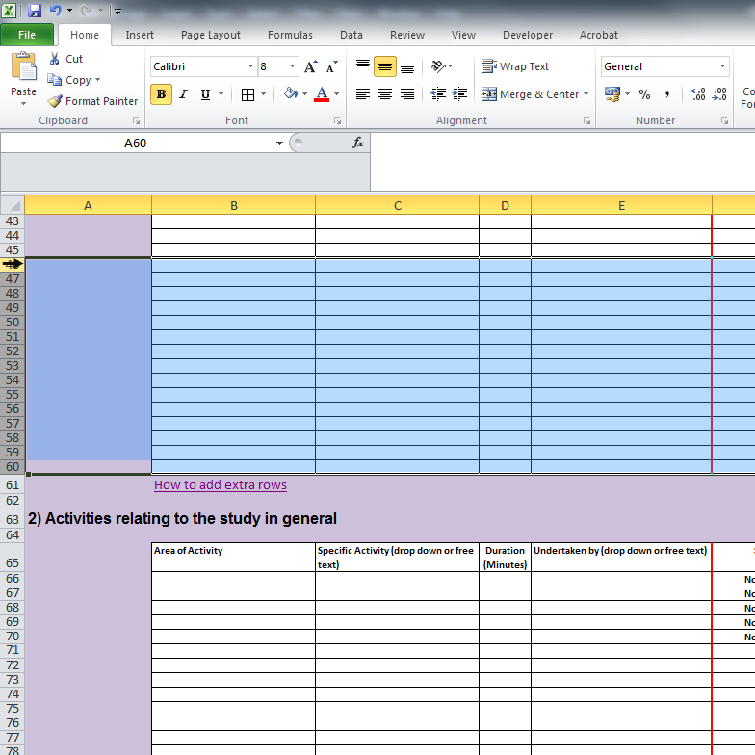

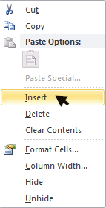

How to break text into a separate line in a cell
To separate text into a separate line in any cell, position the cursor where you wish to break the line of text and press alt + carriage return.
How to quickly copy existing entries into another row or column
Select the cells containing the data you wish to copy. Press Ctrl+C, then select all the cells you wish to fill and press Ctrl+V.

List of Activities
List of Activities
Template Version 3.1

This section provides definitions of / more information on the activities given in the drop-down lists in the general activities and participant activities tabs. This is not an exhaustive list of all possible activities associated with a research project and applicants may enter additional activities by free-text in the general activities and/or participant activities tabs. Applicants are invited to use the User Feedback tab to comment on the usefulness of the activities given and to suggest the inclusion of additional activities in future versions of this tool.
Activities relating to the study in general
Area of Activity | Specific Activity | Definition or description
Study Set-Up | Attendance at training
 | Site Initiation Visit
 | OTHER - Please specify by over-writing
Study Monitoring | Attend monitoring visit (PI)
 | Attend monitoring visit (Research Nurse)
 | Completion of remote monitoring form
 | OTHER - Please specify by over-writing
Study Close-Down | Archiving
 | Return of Study Equipment
 | OTHER - Please specify by over-writing

Activities Relating to each participant
Area of Activity | Specific Activity | Definition or description
Consent Procedures | Approach potential participant to discuss study
 | Consent for Genetic Sample
 | Database search
 | Eligibility check (exclusions)
 | Identify potential participant
 | Mailout
 | Take informed consent
 | OTHER - Please specify by over-writing
Laboratory Tests and Investigations | Biochemistry A | ALT, Amylase, Chloride, CRP, Creatinine Kinase, Glucose, Iron, Magnesium, Oestradiol, Osmolality, Triglycerides, Uric Acid
 | Biochemistry B | Bicarbonate (Total CO2), CA125, Ca15-3, CA19-9, CEA, Cholesterol, Creatinine Clearance, CRP, Direct Bilirubin, Electrophoresis (EPS), Faecal occult blood, Free T4, hCG, HDL-Cholesterol, Human Growth Hormone (HGH), LH, T3, T4, U&E, UFC
 | Biochemistry C | beta 2 microglobulin, BNP, Serum Electrophoresis (EPS), FSH, IGF-1, Immunofixation - serum or urine, Immunoglobulins (A,G,M), Paraprotein measurement (Densitometry), Progesterone, PSA, Prolactin, Testosterone, TGB, Thyroglobulin/TG auto Ab, Total T3, Transferrin/TIBC, TSH
 | Biochemistry Profile - Basic | Basic Biochemistry Profile: Includes ALT, Alkaline phosphatase, Bilirubin (Total), Calcium, Carbon dioxide, Chloride, Creatinine, Glucose, Potassium, Phosphate, Sodium, Urea, Nitrogen (BUN)
 | Biochemistry Profile - Full | Full Biochemistry Profile: Includes Albumin, Bilirubin (total), Calcium, Carbon Dioxide (bicarbonate), Chloride, Creatinine, Glucose, Alkaline Phosphatase, Potassium, Protein, Sodium, Alanine Amino Transferase, (ALT) (SGPT), Aspartate AminoTransferase, (AST) (SGOT), Urea, Nitrogen (BUN)
 | Biochemistry Profile - Lipid Panel | Biochemistry Lipid Panel: Includes Total Cholesterol, Lipoprotein, high density cholesterol, cholesterol (HDL cholesterol), Triglycerides
 | Biochemistry Profile - Liver Function Test | Biochemistry Liver Function Test: Includes Albumin, Bilirubin, Phosphatase, Alkaline, Protein, total, Transferase, Alanine amino Transferase (ALT) (SGPT), Aspartate amino transferase (AST) (SGOT)
 | Biochemistry Profile - Thyroid Function Tests | Biochemistry Thyroid panel, thyroid function tests - Includes triiodothyronine (T3), thyroxine (T4), thyroid stimulating hormone (TSH)
 | Biopsy of Bone marrow | Biopsy of Bone marrow, by trocar or needle: Includes preoperative care (including a medical history and physical examination), anaesthesia and typical postoperative care and reporting.
 | Biopsy of muscle | Biopsy of muscle: Includes preoperative care (including a medical history and physical examination), anaesthesia and typical postoperative care.
 | Biopsy of skin | Biopsy of skin, subcutaneous tissue and/or mucous membrane, skin tumour: Includes preoperative care (including a medical history and physical examination), anaesthesia and typical postoperative care.
 | Full Blood Count | Blood count; haemogram and platelet count, haematocrit, haemoglobin, automated and manual differential WBC count (CBC), haematology, Red blood indices: Mean corpuscular volume (MCV), Mean corpuscular haemoglobin (MCH), Mean corpuscular haemoglobin concentration (MCHC), Red blood cell distribution width (RDW).
 | GTT, OGTT | Glucose tolerance test (GTT) (OGTT)
 | Haematology A | D Dimer, aPTT, Coombs test, Differential (manual), ESR, Fibrinogen, Iron stain, Prothrombin Time, Reticulocyte, TCT .
 | Haematology B | CD20, CD4, Clotting screen for line insertion, T Cell Count, TTC Code: Prothrombin time (PT) and Thromboplastin time, partial (PTT) (aPTT) combined.
 | Hepatitis C antibody | Hepatitis C antibody (HCVab) (anti-HCV).
 | INR | International Normalised Ratio (INR)
 | Microbiology A | Microbiology A, Chlamydia serology, Genital swab, Hep B vaccine Ab status, Legionella Ab, Rubella clinical, serology non-viral (syphilis), throat swab, Toxoplasma Ab, Urine culture (incl germ tube test), Viral Ab screen.
 | Microbiology B | ASO, Cl. Difficile, Hep A, Hep C screen, HIV, other bacteriology (incl mycology), Wound swab.
 | Microbiology C | Antibiotic assay, Blood culture, Chlamydia detection, Faeces, Sputum, TB Culture.
 | Pregnancy test (blood) | Serum pregnancy, chorionic gonadotropin (HCG) (BetahCG); quantitative.
 | Pregnancy test (urine) | Urine pregnancy, chorionic gonadotropin (hCG) (BetahCG); qualitative.
 | OTHER - Please specify by over-writing
Area of Activity | Specific Activity | Definition or description
Medical Exposure / Imaging Tests and Investigations | Bone and/or joint imaging | Bone and/or joint imaging, bone scan, bone scintigraphy, whole body: Includes the technical and professional components (reading)
 | Copy of imaging investigation | Copy of imaging investigation on CD/DVD/Film
 | CT Scan complex with contrast | Computerized axial tomography, (Cat Scan) (CT Scan); Complex, multi area with contrast material : Includes the technical and professional components (reading) .
 | CT Scan with contrast | Computerized axial tomography, (Cat Scan) (CT Scan); with contrast material. Includes the technical and professional components (reading) .
 | CT Scan without contrast | Computerized axial tomography, (Cat Scan) (CT Scan); without contrast material. Includes the technical and professional components (reading) .
 | DEXA, BM, DXA | Dual energy x-ray absorptiometry (DEXA) (BMD) (DXA) bone density study: Includes the technical and professional components (reading).
 | ECG no report | Electrocardiogram, routine 12 lead ECG, Tracing only
 | ECG with report | Electrocardiogram, routine 12 lead ECG includes tracing, interpretation and report.
 | IVUS | Intravascular ultrasound (non-coronary vessel) during diagnostic evaluation and/or therapeutic intervention (IVUS)
 | MRI more than one area with contrast | Magnetic resonance imaging, (MRI); with contrast material(s) more than one area (e.g. chest & abdo, abdo & pelvis). Includes the technical and professional components (reading)
...

User Feedback
User Feedback
Template Version 3.1

Please complete this form with your comments on the usability of the Statement of Activities and return by email to:
hra.approvalprogramme@nhs.net

Comments:

What will we do with your response? The HRA has a commitment to transparency. We will analyse the comments we receive, and publish a report on our website explaining how we will address the themes raised. The published report will compare the views of different organisations and groups of individuals. Organisational responses: In the interest of transparency, all comments made on behalf of an organisation will normally be published and attributed unless an explanation is provided with your response as to why you consider the information should not be. (Please note the Confidentiality of Information section below.) Individual responses: Comments will be summarised in a way that does not identify individual respondents unless we have your permission to identify you. If we receive a consultation response without an accompanying form we will adopt the position that organisational responses are attributed and individual responses anonymised.
Are you responding in an organisational or personal capacity?
Organisational Capacity (please check only one box)
Personal Capacity (please tick only one box)
...

